XSD tags Details
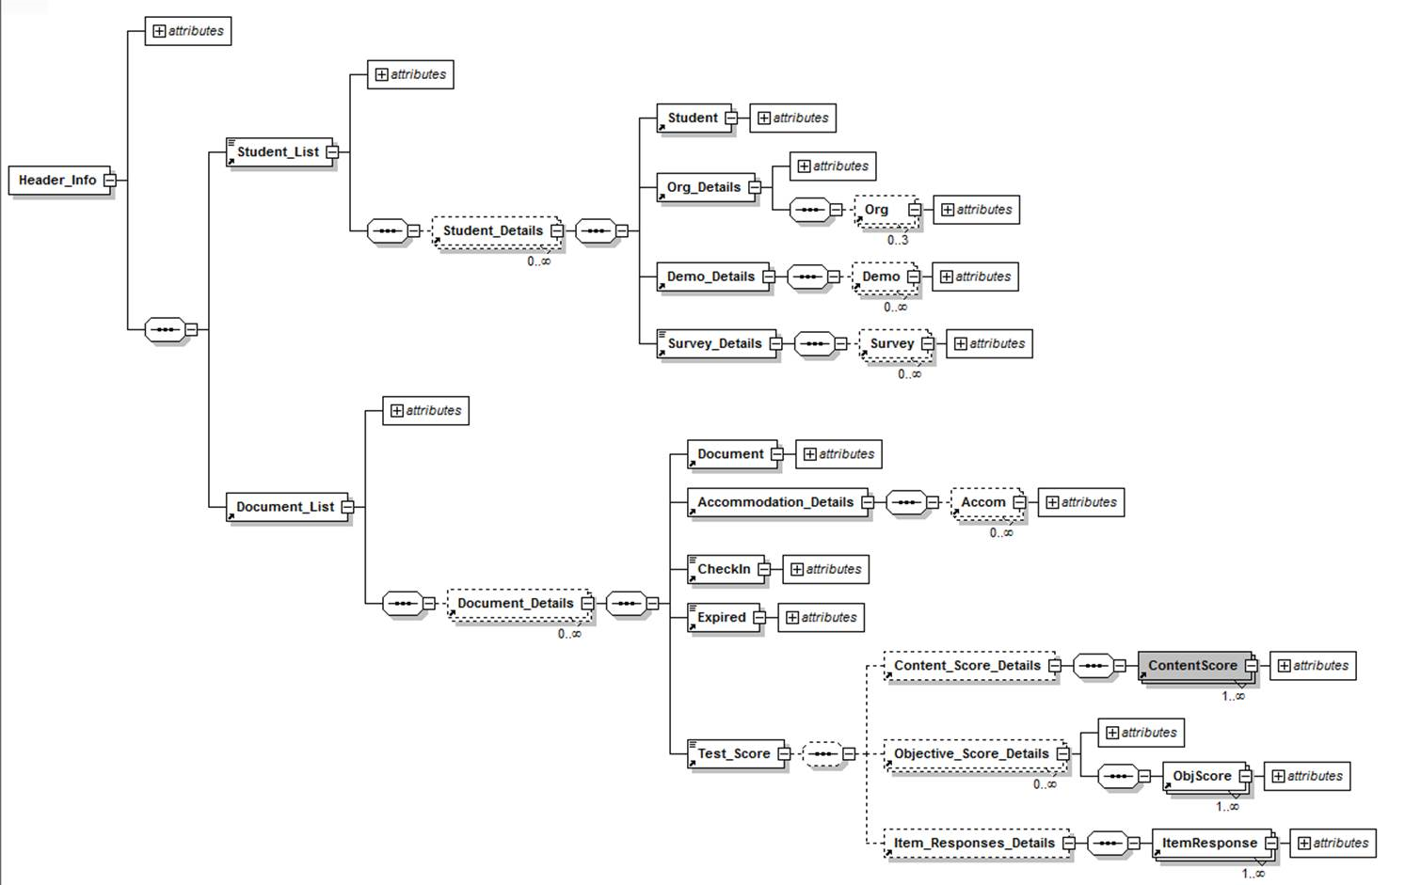
· <Header_Info and all attributes are mandatory ( are the values of these attributes going to be always available?)
· <Student_List Case_Count="5"> are mandatory and case_count attribute and value are mandatory.
o If <Student_Details> optional if there then
§ <Student is mandatory
§ <Org_Details> is mandatory
· <Org is optional
· <Org
· <Org
· <Demo_Details> is mandatory
· <Demo is optional
· <Survey_Details> is mandatory
· <Survey is optional
· <Document_List Case_Count="5"> -- mandatory
o If <Document_Details> optional if there then
§ <Document is mandatory
§ <Accommodation_Details> is mandatory
· <Accom optional
§ <CheckIn mandatory
§ <Expired is mandatory
§ <Test_Score> mandatory
· <Content_Score_Details> optioanal
o If parent present <ContentScore mandatory
· <Objective_Score_Details optional
o If parent present<ObjScor the mandatory
· <Item_Responses_Details> optional
o If parent present then <ItemRespons is mandatory

In above XSD attributes can be blank based on valid values

XML Requirements+Rules
 | Description
 | This is the file that will feed the TASC Test scored data and student bio information to Prism. This filecontains individual student records only. There are no summary data in this file.

Req# | Requirements/Assumptions | Comments

 | Requirements/Rules for generating the XML file
 | There will be a scheduled run every 30 minutes to pick up changed records
 | The records that are sent will be logged in the state database so that reconcilliation can occur
 | One file may contain data for multiple states.

 | Validations for the XML should be perfomed against the supplied XSD

 | As the Org_Node info can be optional for self registering students so the source XML creation program has to make sure next time when it is sending the document info or before sending document info for that student it sending the student record including Org_Node info to Prism.
 | Source XML generation system needs to make sure before sending the document info it has already sent the student info.

 | There will be transformations for some fields, such as content area. Please refer to the valid values for more information

 | The changed records will have changed student update date, document update date and test event update date | Look @ 7/20 requirements email from Kevin Jennings
 | Student Update Date Time ( For any changes to the Student level bio data),
 | o Document Update Date Time (For any updates to content or schedule level informatio​n including Accommodat​ions or anything at content level),
 | o Test Event Test Status Update Date time (For any updates to scoring/te​st status/tes​t event change) o Also will need to look at the Document.Lock to determine the status of the document

 | The xml will be validated for completeness before sending

 | The Objective Names and ID from Ideas need to be mapped to the Objective ID's as requested in the Objective mapping tab
 | Scores being Passed to PRISM would only be for Operational Items (FT items scores should not be included)
 | The status of the records needs to be added from the email from 7/20 Kevin Jenning and Nadya

 | The Content Area Status will carry values for OM, SUP, INV, SIP, NA and Blank. For all the cases except Blank (which means the scoring is complete), the score values carried for SS, NP, NCE, HSE and objective level scores will contain a blank value.

 | Base Document flag rules
 | math sessions area will be identified by the base document flag. Even though UDB has 2 records (sessions)
 | the record will be sent as 1 content area for prism. The accommodations need to be sent for both sessions using the placeholders that are defined in the xml.

 | Special Character Rules for the xml
 | There are the predefined special characters in XML which should not be used directly in the XML file.
 | We need to use the replacement text, it’s same as the character. The XML will render the replacement text by using the format &name; for example, &amp; will render as &.
 | Here is the replacement character for the xml. This needs to be check with customer. This is the standard way of parsing the data in the xml.
 | 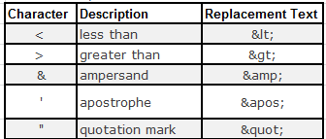

 | The file cannot contain double quotes in the fields. If found it will convert to blank.

 | In uDB the test form for GHI is found in the Level field. transform to the Form field for prism

 | For field test form there is a name and a code

 | Braille will be identified as a separate form in Prism and the determination will be based on the value from the braille accommodation flag/bubble.

 | Condition codes need to be mapped as shown in the PPD

 | GR Item conversions-the values in udb need to be converted from the udb values to RWO as indicated in the PPD

 | For the Spanish test just send the Form information from the Test Level field. We use the language flag to determine if it is spanish.

 | See scenario spreadsheet for detail list of test scenarios that should be passed across UDB to PRISM
 | Issues/Questions

